Hiearchy View
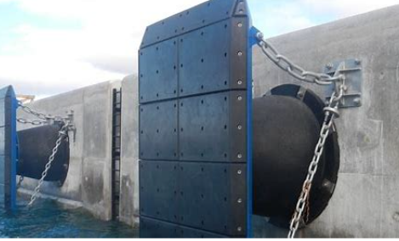
REMOVE | N |  | Class: | FENDER PANEL

PROBLEM_DESC | CAUSE_DESC | REMEDY_DESC
ALARM/SENSOR
BROKEN/DAMAGED
NOISE
OTHER PROBLEM
POWER-ELEC
STOPPED/SLOWED/POOR OPS
VIBRATION
Grand Total

